COGS DASH
DASHBOARD OF COGS GENERATED FROM YANGON MANDALAY AND NAPYITAW


PRODUCTLINE VS AVG UNIT PRICE
 | Total
Electronic accessories | 53.551588235
Fashion accessories | 57.153651685
Food and beverages | 56.008850575
Health and beauty | 54.854473684
Home and lifestyle | 55.3169375
Sports and travel | 56.993253012
CITY VS TOTAL REVENUE
 | Total
Mandalay | 106197.672
Naypyitaw | 110568.7065
Yangon | 106200.3705
QUANTITY SOLD VS CITY
 | Total
Mandalay Electronic accessories | 316
Mandalay Fashion accessories | 297
Mandalay Food and beverages | 270
Mandalay Health and beauty | 320
Mandalay Home and lifestyle | 295
Mandalay Sports and travel | 322
Naypyitaw Electronic accessories | 333
Naypyitaw Fashion accessories | 342
Naypyitaw Food and beverages | 369
Naypyitaw Health and beauty | 277
Naypyitaw Home and lifestyle | 245
Naypyitaw Sports and travel | 265
Yangon Electronic accessories | 322
Yangon Fashion accessories | 263
Yangon Food and beverages | 313
Yangon Health and beauty | 257
Yangon Home and lifestyle | 371
Yangon Sports and travel | 333

GROSS INCOME VS CITY
 | Mandalay | Naypyitaw | Yangon
Total | 5057.032 | 5265.1765 | 5057.1605
DATE VS TOTAL COGS
 | Total
Jan | 110754.16
Feb | 92589.88
Mar | 104243.34
TOTAL COGS
 | Total
Mandalay | 101140.64
Naypyitaw | 105303.53
Yangon | 101143.21
PRODUCTLINE,CITY VS COGS
 | Mandalay | Naypyitaw | Yangon
Electronic accessories | 16239.47 | 18065.69 | 17444.87
Fashion accessories | 15631.73 | 20533.4 | 15554.77
Food and beverages | 14490.37 | 22635.1 | 16345.81
Health and beauty | 19029.2 | 15824.12 | 11997.86
Home and lifestyle | 16713.49 | 13233.86 | 21349.71
Sports and travel | 19036.38 | 15011.36 | 18450.19

DASHBOARD (2)
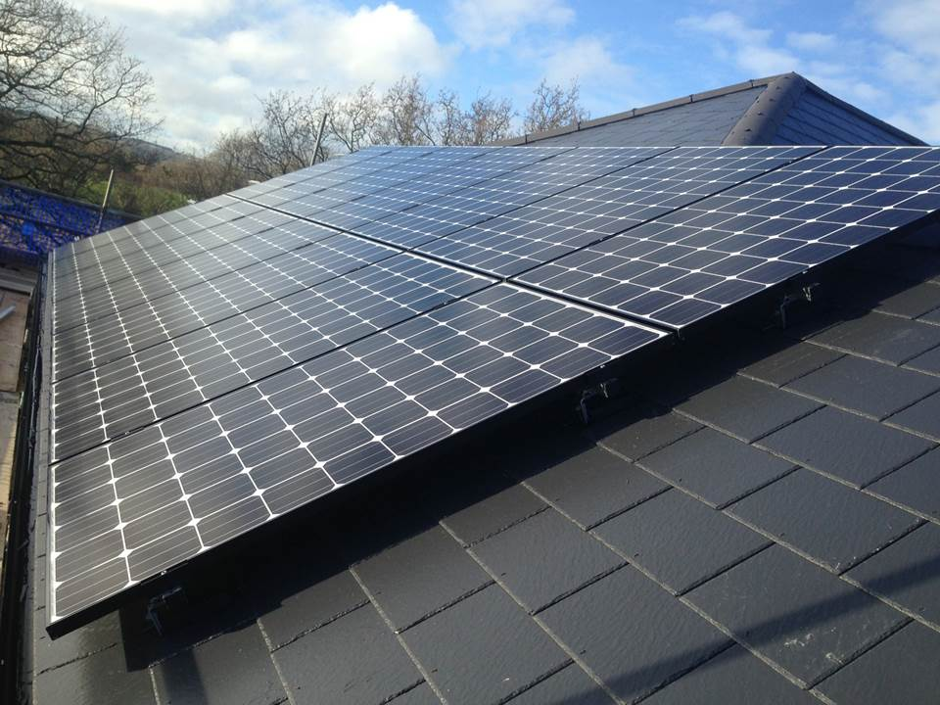

DASHBOARD OF REVENUE GENERATED BY SUPERMARKETS IN YANGON,MANDAAY AND NAPYITAW

PRODUCTLINE VS AVG UNIT PRICE
 | Total
Electronic accessories | 53.551588235
Fashion accessories | 57.153651685
Food and beverages | 56.008850575
Health and beauty | 54.854473684
Home and lifestyle | 55.3169375
Sports and travel | 56.993253012
 | Mandalay | Naypyitaw | Yangon
Jan | 37176.0585 | 40434.681 | 38681.1285
Feb | 34424.271 | 32934.9825 | 29860.1205
Mar | 34597.3425 | 37199.043 | 37659.1215

QUANTITY SOLD VS CITY
 | Total
Mandalay Electronic accessories | 316
Mandalay Fashion accessories | 297
Mandalay Food and beverages | 270
Mandalay Health and beauty | 320
Mandalay Home and lifestyle | 295
Mandalay Sports and travel | 322
Naypyitaw Electronic accessories | 333
Naypyitaw Fashion accessories | 342
Naypyitaw Food and beverages | 369
Naypyitaw Health and beauty | 277
Naypyitaw Home and lifestyle | 245
Naypyitaw Sports and travel | 265
Yangon Electronic accessories | 322
Yangon Fashion accessories | 263
Yangon Food and beverages | 313
Yangon Health and beauty | 257
Yangon Home and lifestyle | 371
Yangon Sports and travel | 333
TOTAL REVENUE VS CITY
 | Mandalay | Naypyitaw | Yangon
Electronic accessories | 17051.4435 | 18968.9745 | 18317.1135
Fashion accessories | 16413.3165 | 21560.07 | 16332.5085
Food and beverages | 15214.8885 | 23766.855 | 17163.1005
Health and beauty | 19980.66 | 16615.326 | 12597.753
Home and lifestyle | 17549.1645 | 13895.553 | 22417.1955
Sports and travel | 19988.199 | 15761.928 | 19372.6995

CITY VS TOTAL TOTAL
 | Total
Mandalay | 106197.672
Naypyitaw | 110568.7065
Yangon | 106200.3705
PAYMENT CHANNEL
 | Total
Cash | 344
Credit card | 311
Ewallet | 345
TAX VS PRODUCTLINE
 | Total
Electronic accessories | 2587.5015
Fashion accessories | 2585.995
Food and beverages | 2673.564
Health and beauty | 2342.559
Home and lifestyle | 2564.853
Sports and travel | 2624.8965
CUSTOMER TYPE
 | Total
Member | 164223.444
Normal | 158743.305

